Sheet1
Bug Report

Project Name | Note Master
Assign to | Developer
Tested By | Ashish Dadhich
Reviewed By | Self-Reviewed
Start Date | 02/04/2025
End Date
Browser/Os | Window10/Edge/Version 134.0.3124.51
Assigned To | Ashish Dadhich
Proiority | High, Medium, Low
Status | Open

Test Scenario ID | Test Case ID | Test Case Description | Test Steps | Test Data | Priority | Severity | Browser / Version | Expected Result | Actual Result | Status | Screenshot | Comment
TS-01 | TC_04 | Ensure email format validation | 1. Enter "ashishdadhiich@gmail.com" as email 2. Click "Sign Up" | email- ashishdadhiich@gmail.com | High | High | Edge / Version 134.0.3124.51 | Error: "Invalid email" | SignUp successfully without error message | Fail | 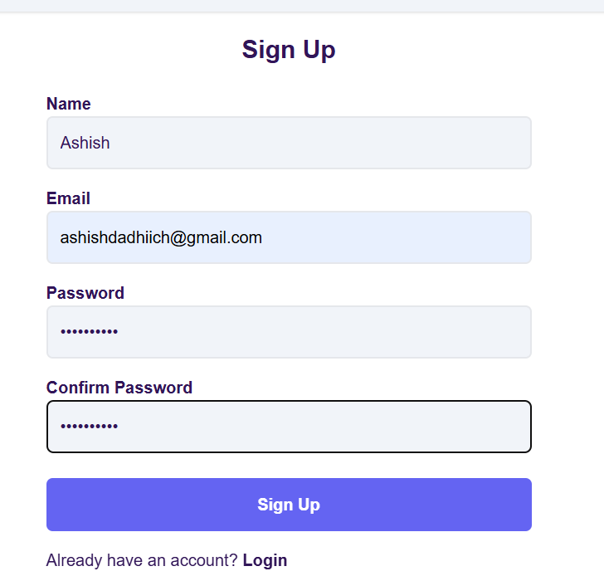 | Need to fix, it allows the invalid email format "gmai.com"
 | TC_05 | Ensure weak passwords are rejected | 1. Enter "123" as password 2. Click "Sign Up" | 123456 | Medium | Medium | Edge / Version 134.0.3124.52 | Error: "Password too weak" | no any error message "Password too weak" | Fail | 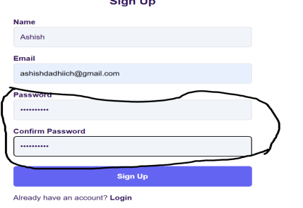 | there is no any error message for week password
 | TC_08 | Ensure field length validation | 1. Enter 50+ characters in Name field | Long name input | Medium | Medium | Edge / Version 134.0.3124.53 | Error: "Max length exceeded" | not showing any error message like "Max length exceeded" | Fail | 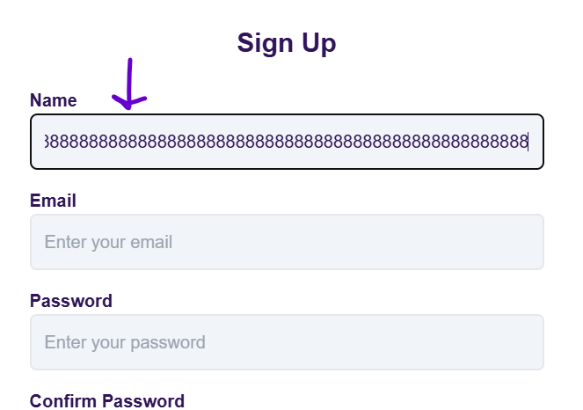 | Need to fix
 | TC_18 | Ensure UI is not broken | 1. Resize window 2. Check layout | Samsung Galaxy s8+ | High | High | Edge / Version 134.0.3124.54 | Layout should adjust properly | test overlaps ans button aignment issue | Fail | 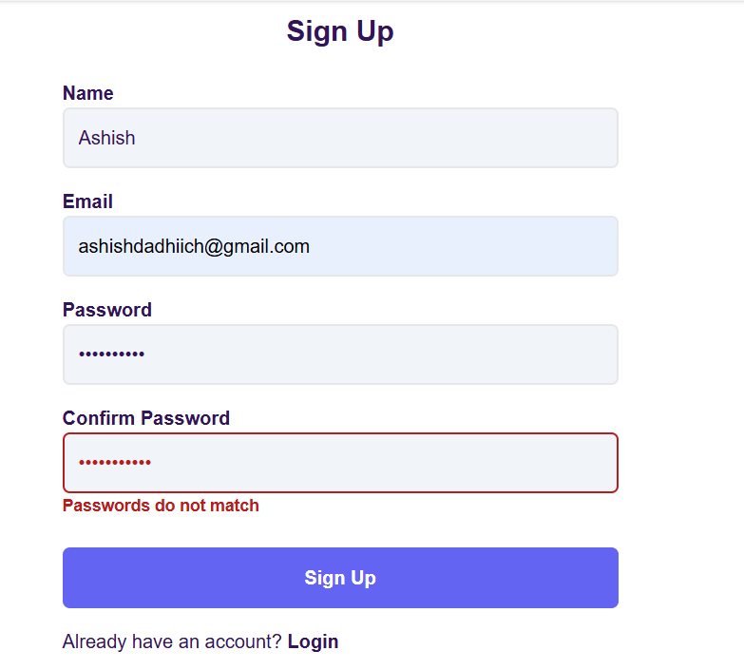 | Need to fix
 | TC_20 | Ensure special characters are not allowed in name | 1. Enter @#$$% in Name field 2. Click "Sign Up" | @#$$% | High | High | Edge / Version 134.0.3124.55 | Error message should appear | Error message should not appear | Fail | 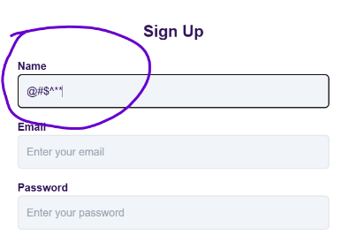 | Need to fix
TS-02 | TC_08 | Ensure "Forgot Password" link works | 1. Click on "Forgot Password" link | None | High | Medium | Edge / Version 134.0.3124.56 | mouse hover effect should available and Redirected to password recovery page | mouse hover effect are not available | Fail | 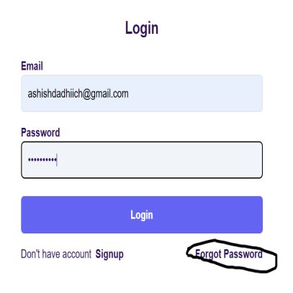 | Add mouse hover effect
 | TC_10 | Ensure session expires after inactivity | 1. Login 2. Leave idle for 30 minutes 3. Try performing action | None | High | High | Edge / Version 134.0.3124.57 | User should be logged out automatically | User should not be logged out automatically | Fail | None | Need to fix
 | TC_16 | Ensure mobile UI is working fine | 1. Open on mobile 2. Check layout | None | High | High | Edge / Version 134.0.3124.58 | Page should be responsive | Page should not be responsive, test and buttons are verlapping | Fail | 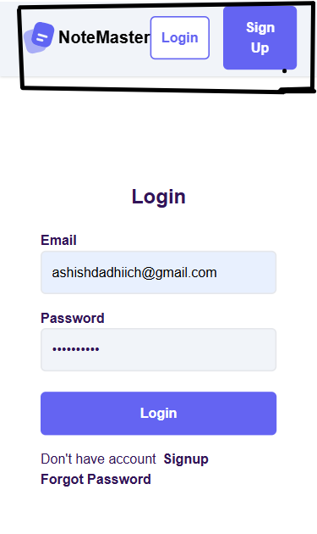 | Need to fix
TS-03 | TC_09 | Ensure UI elements adjust properly | Resize browser window to mobile view | None | High | High | Edge / Version 134.0.3124.59 | UI should adjust properly without breaking layout | UI should not adjust properly without breaking layout | Fail | None | Alignment Issue
TS-04 | TC_12 | Ensure dropdown can be accessed via keyboard | Use Tab key to navigate options and Enter to select | None | Medium | Medium | Edge / Version 134.0.3124.60 | Dropdown should be navigable with keyboard | Dropdown should not be navigable with keyboard | Fail | 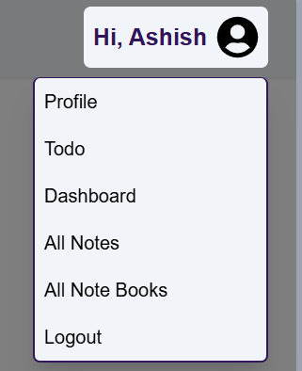 | need to fix

